Subjective
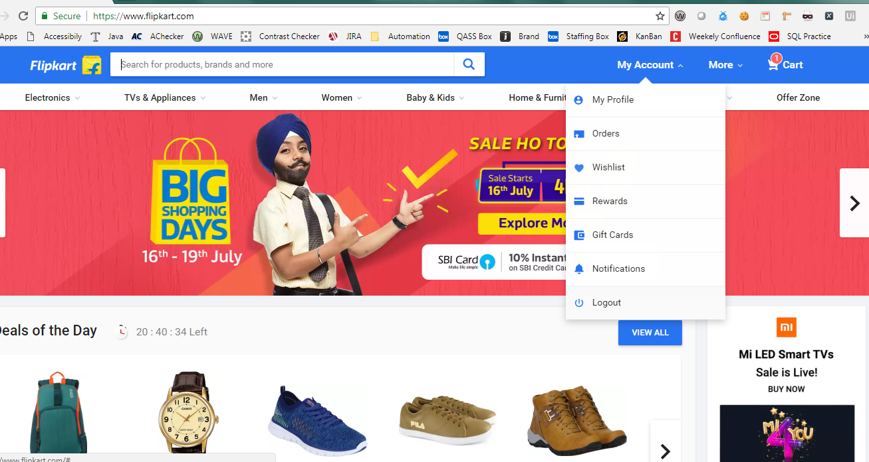

Flipkart is an e-commerce Website.Please create scenarios / test cases as per below ask

Q1. | Create any 3 positive and 2 negative high level scenarios to test the search functionality | 5*1 = 5
Q2 | Create 5 Test cases to test My Account functionality | 3*5 = 15
Q3 | Let us assume, when we search for a product, the search criteria does not show any result. Report a defect and describe all the attributes that should be part of the defect. | 1*5 = 5

